Sheet1
Back
Create
Create User
Back
Update
Update User
Are you sure to delete?
Delete
Cancel
Delete User
New
List User
Menu must have at least one policy and it should be "CanList..."
Menu |  | PolicyActions |  | Controllers | Actions | PolicyName
Security |  | CanListUsers |  | Users | ListEntity | CanListUsers
Todo |  | CanGetUserById |  |  | GetEntityById | CanGetUserById
 |  | CanCreateUser |  |  | CreateEntity | CanCreateUser
 |  | CanUpdateUser |  |  | UpdateEntity | CanUpdateUser
 |  | CanChangeStatus |  |  | ChangeStatus | CanChangeStatus
 |  |  |  | Task | ListEntity | CanListTasks
Menu_PolityActions |  |  |  |  | ListEntity | CanListTasksByUser
Users | CanListUsers |  |  |  | GetEntityById | CanGetTaskById
Users | CanGetUserById |  |  |  | CreateEntity | CanCreateTask
Users | CanCreateUser |  |  |  | UpdateEntity | CanUpdateTask
Users | CanUpdateUser |  |  |  | ChangeStatus | CanChangeStatus
Users | CanChangeStatus |  |  |  | DeleteEntity | CanDeleteTask

Users
Luis
Juan

Roles |  |  | Roles_Menu
SuperUser | Can do everething |  | SuperUser | Security
TaskReviwer | List all tasks and Delete only |  | SuperUser | Todo
Tasker | Crud Task (No delete) |  | TaskReviwer | Todo
 |  |  | Tasker | Todo
User_Roles
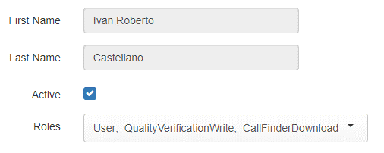
New
Back
Create
Are you sure to delete?
Delete
Cancel
List Task by current user
Create Task
Finish
Task
Delete Task
Luis | SuperUser
Juan | TaskReviwer
Pepe | Tasker
Pepe | TaskReviwer
Mario | Tasker

Roles_PolicyActions
SuperUser | CanListUsers
SuperUser | CanGetUserById
SuperUser | CanCreateUser
SuperUser | CanUpdateUser
SuperUser | CanChangeStatus
SuperUser | CanListTask
SuperUser | CanGetTaskById
SuperUser | CanCreateTask
SuperUser | CanUpdateTask
SuperUser | CanChangeStatus
SuperUser | CanDeleteTask
TaskReviwer | CanListTask
TaskReviwer | CanDeleteTask
Tasker | CanListTask
Tasker | CanGetTaskById
Tasker | CanCreateTask
Tasker | CanUpdateTask
Tasker | CanChangeStatus

